Client Side Test Cases
Test Case No. | Test Case details | Success/Failure | Screenshots | Comments
Test Case 1 | Create a new blog | Yes | 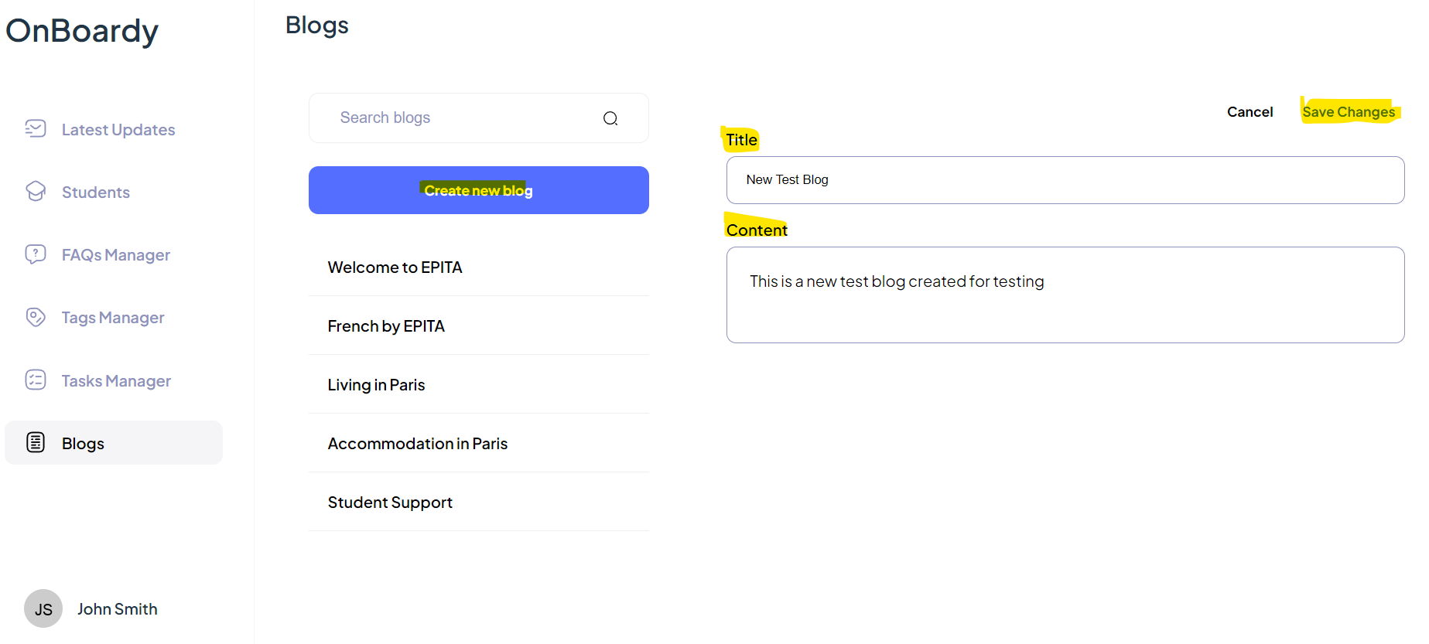 | New blog is created successfully

Test Case 2 | Add a new student | Yes | 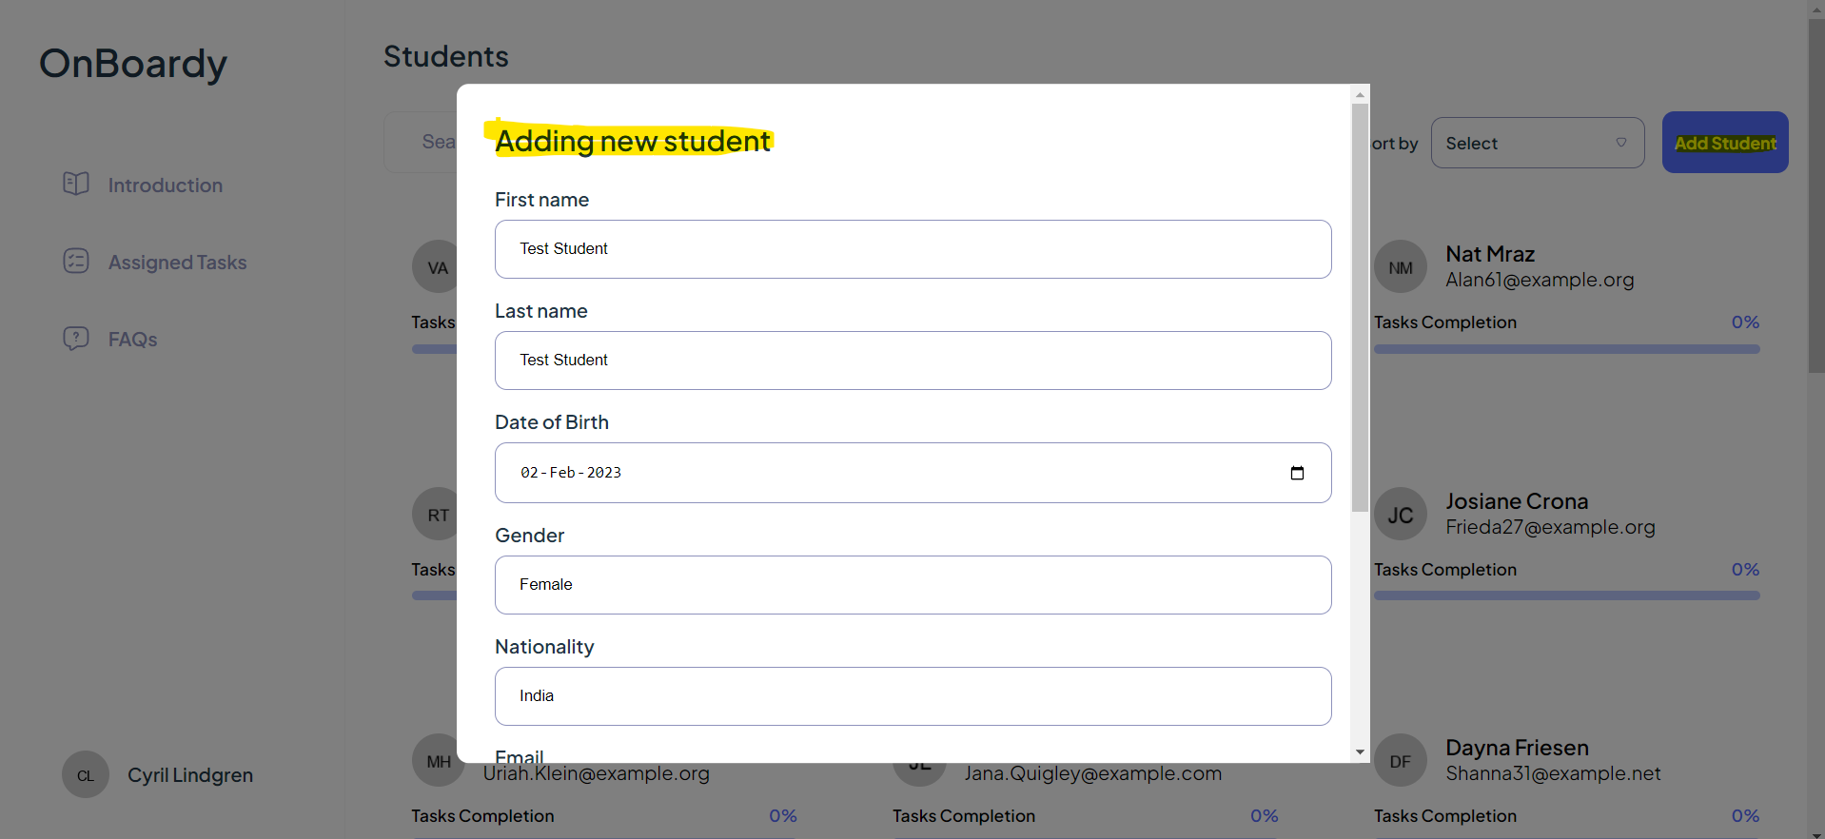 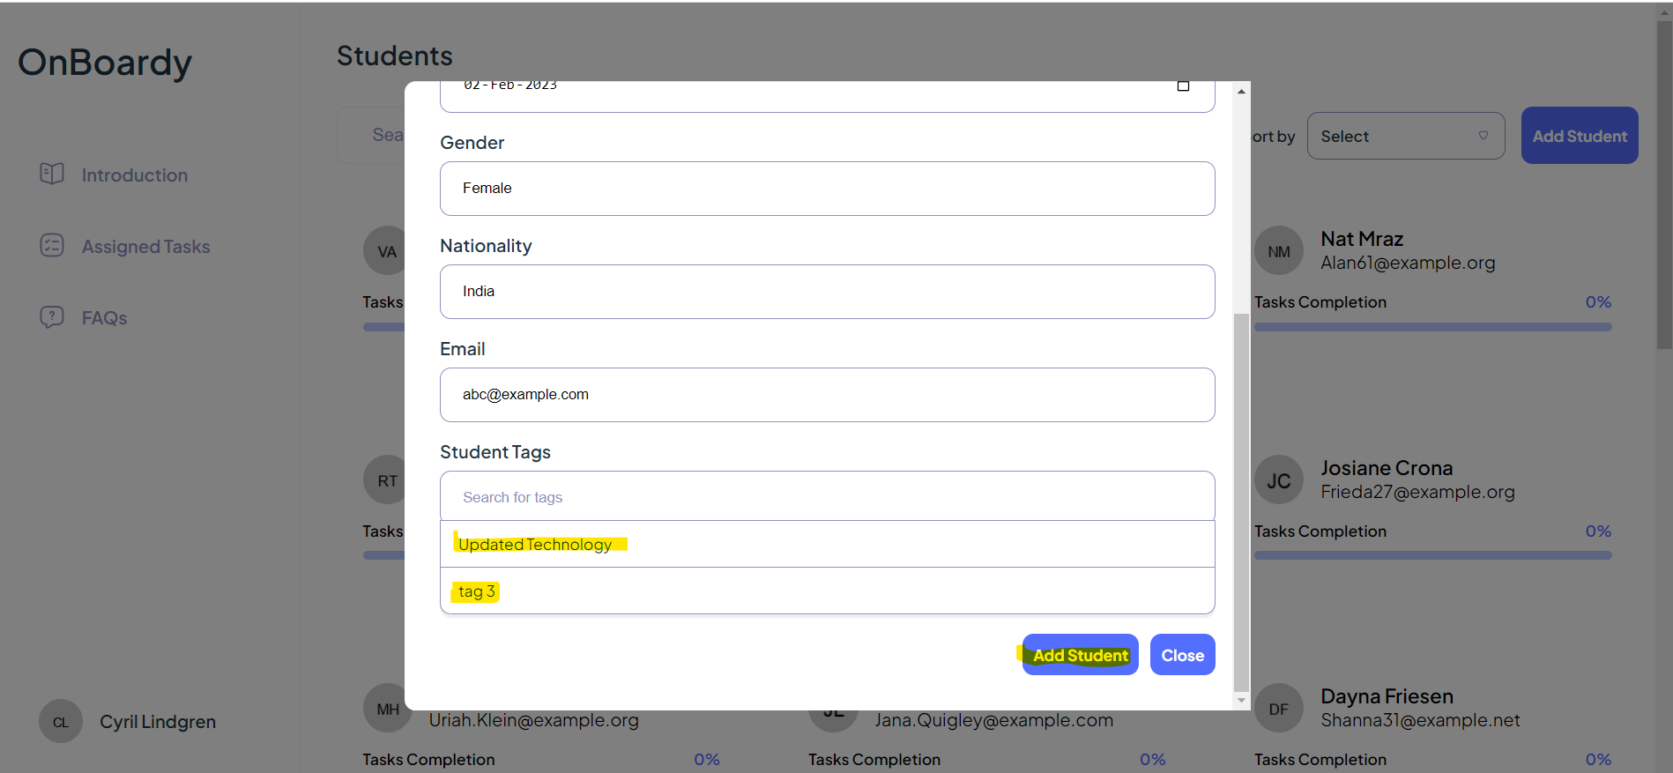 | New student is created successfully

Test Case 3 | Add a new tag | Yes | 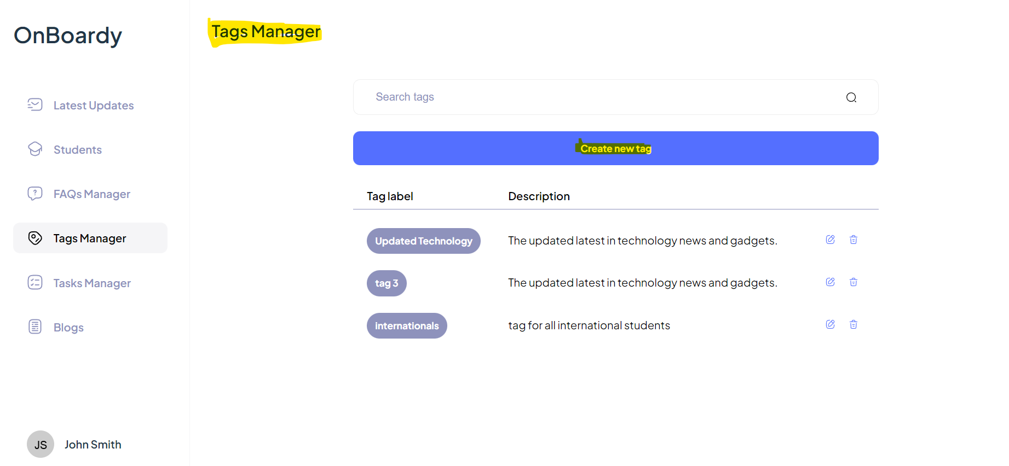 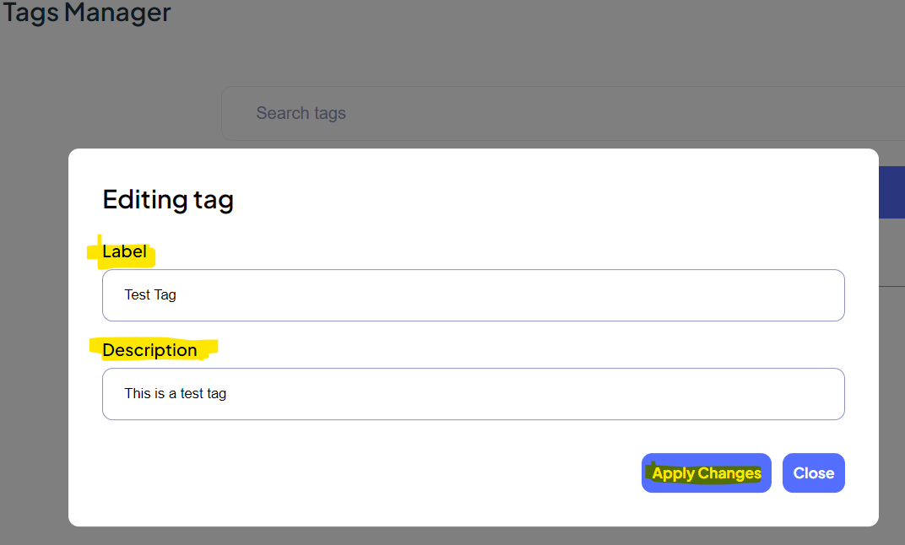 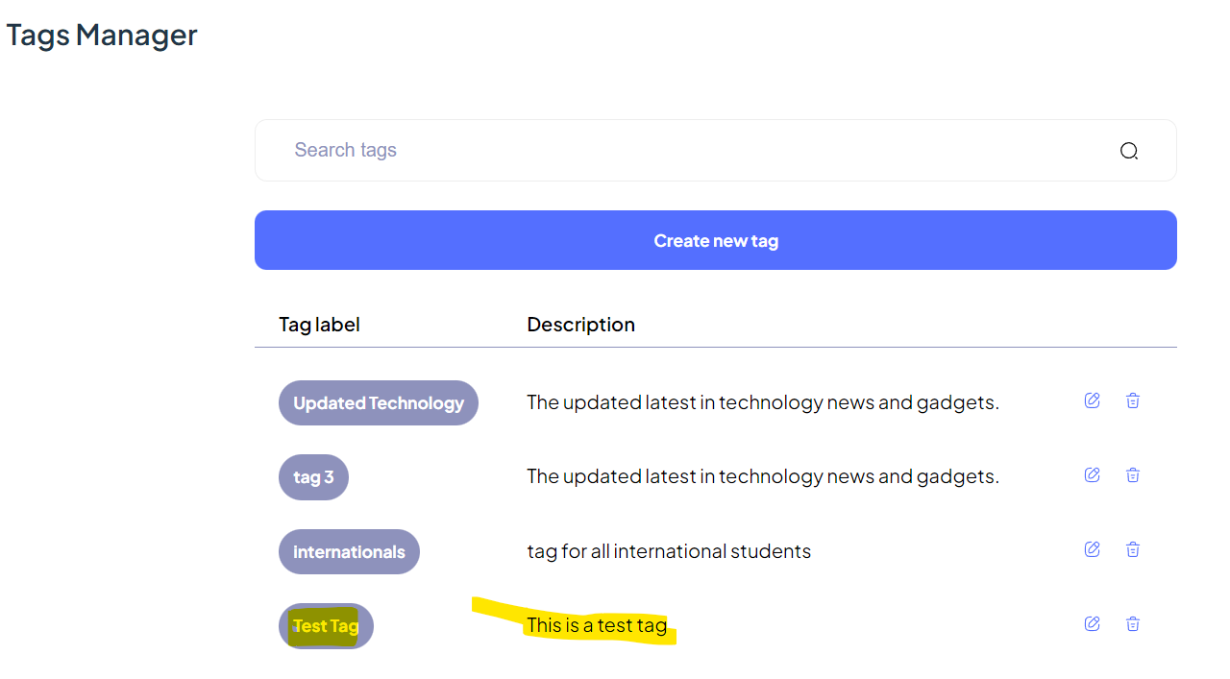 | New tag is created successfully

Test Case 4 | Add a new task | Yes | 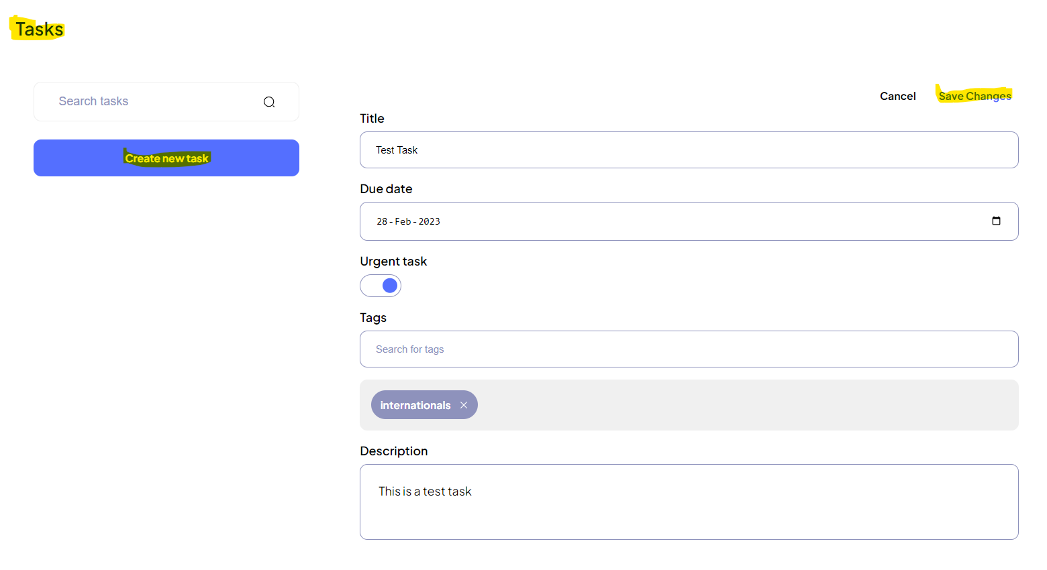 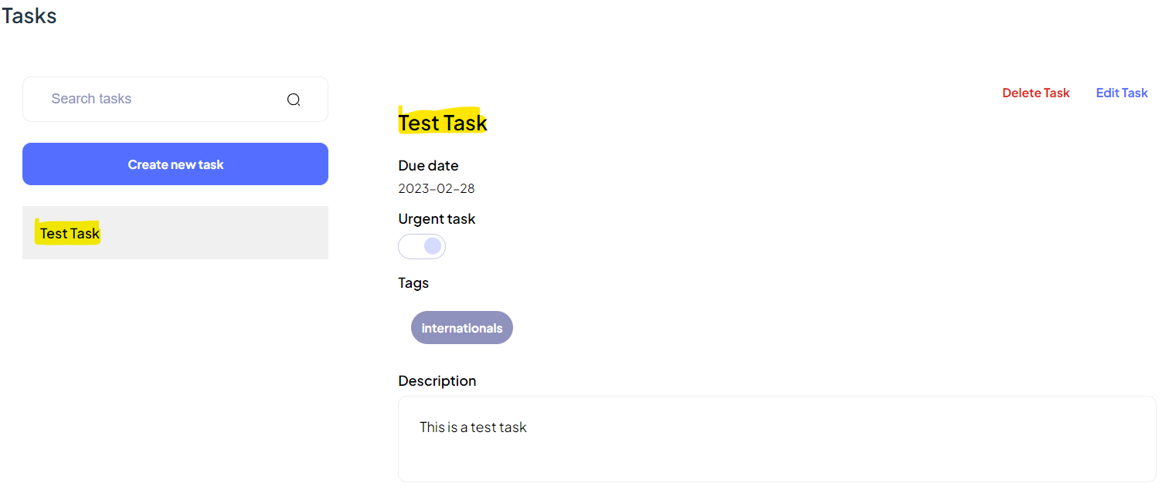 | New task is created successfully

Test Case 5 | Add a FAQ | Yes | 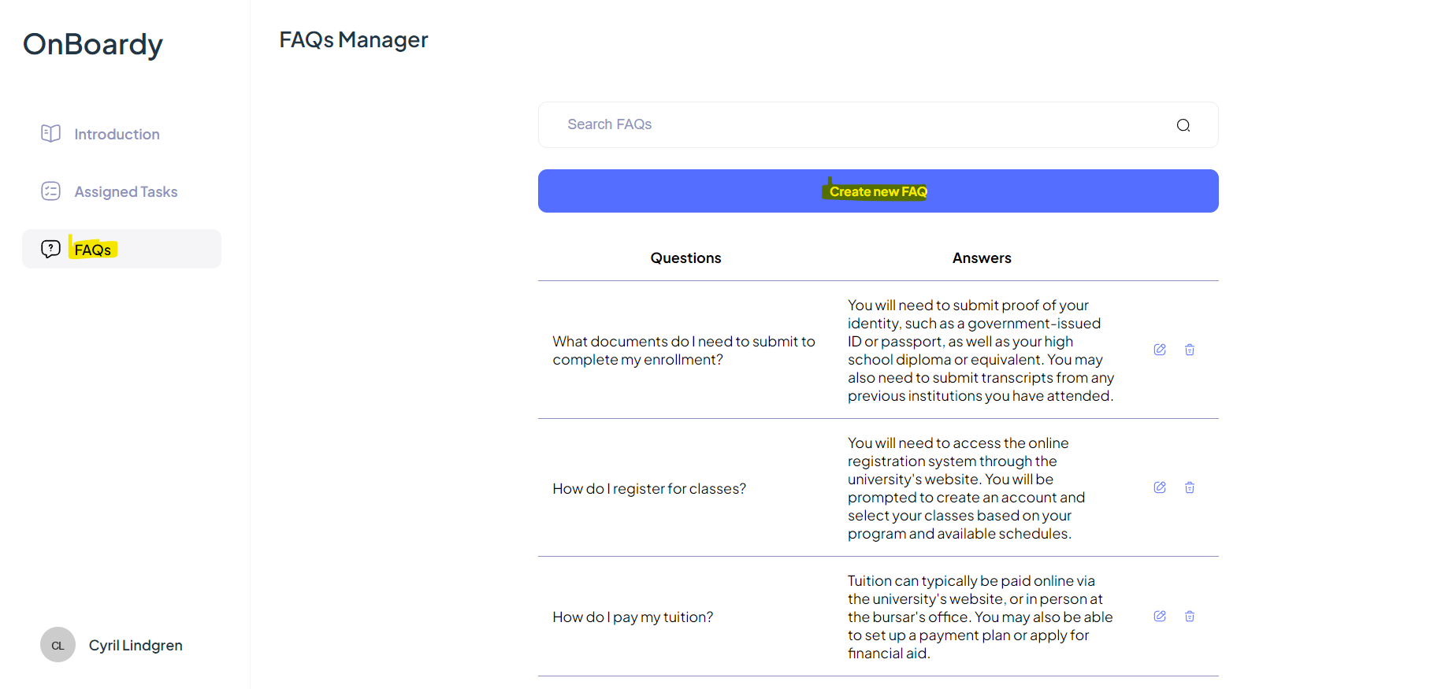 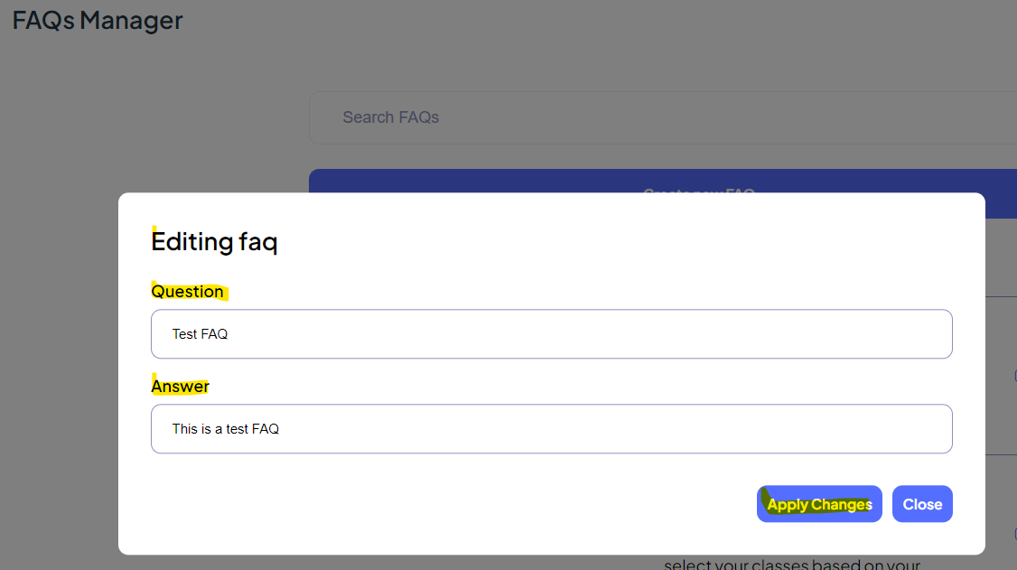 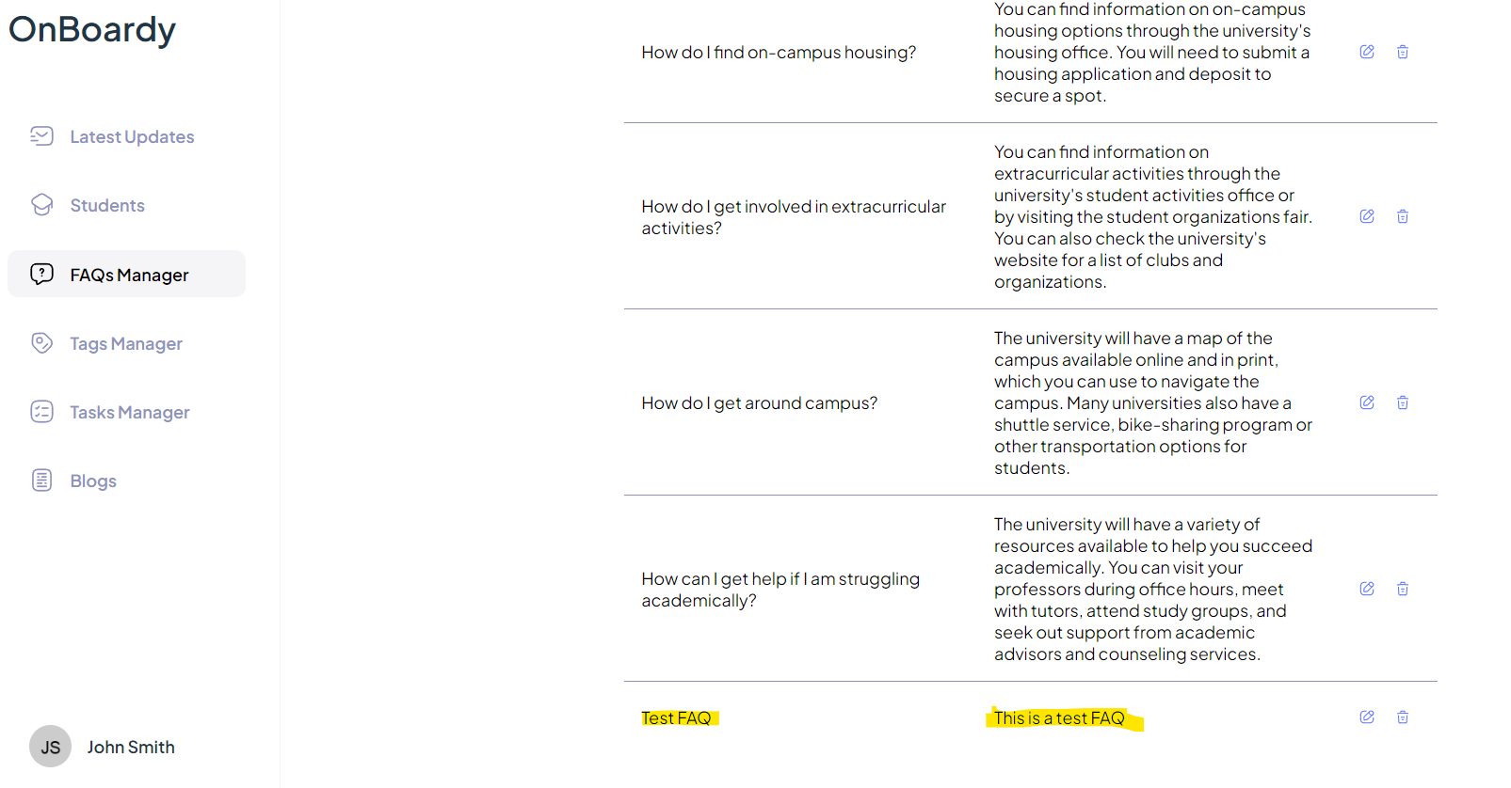 | New FAQ is created successfully

